KKO
KAJIAN KELAYAKAN OPERASI

DAYA LAMA |  |  |  | DAYA BARU
Nama Pelanggan | : | PERUMAHAN GRAND WIJAYA KUSUMA 3 (PT FATEH PROPERTY LAND) |  | Nama Pelanggan | : | PERUMAHAN GRAND WIJAYA KUSUMA 3 (PT FATEH PROPERTY LAND)
Daya Lama (VA) | : | 0 |  | Daya Baru (VA) | : | 65000
Jumlah Fasa | : | 1 | * | Jumlah Fasa | : | 3
Tegangan Sekunder Pengukuran rata-rata (Fasa-Netral) (V) | : | 220 | * | Tegangan Sekunder Pengukuran rata-rata (Fasa-Netral) (V) | : | 380
Beban Pelanggan (A) | : | 0.00 |  | Beban Pelanggan (A) | : | 98.76

SUPLAI TRAFO EKSISTING |  |  |  | SUPLAI TRAFO RENCANA
Nomor Tiang | : |  |  | Nomor Tiang | : | SYG 06/51/24/9
Penyulang | : |  |  | Penyulang | : | SYG 06
Daya | : |  | * | Daya | : | 160
Jumlah Fasa | : |  | * | Jumlah Fasa | : | 3
Beban TRAFO (Pengukuran Lapangan) |  | 0 |  | Beban TRAFO | : | 98.76
Beban Primer | : | 0.00 | * | Beban Primer | : | 4.62
Beban Sekunder | : | 0.00 | * | Beban Sekunder | : | 243.09
Beban (A) | : | 0.00 |  | Beban (A) | : | 0.24
Prosentase Pembebanan | : | #DIV/0! |  | Beban (A) | : | 41%
 | 41% | 100%
Prosentase Pembebanan | : | 100% |  | Beban (A) | : | 100%

DATA





DATA
Tahun | : | 2022
Discount Rate | : | 12%
Transfer price TM | : | 1,084 |  | Marginal COST maret 2022
Umur ekonomis (tahun) | : | 25.00
Selisih Susut Teknis | : | 2.25%
∑ Daya | : | 65
BP (Rp) | : | 60,900,000
RAB (Rp) | : | 110,331,846
Biaya O&M (2% invest) | : | 2,206,636.92

Nama Pelanggan | : | PERUMAHAN GRAND WIJAYA KUSUMA 3 (PT FATEH PROPERTY LAND) | *
Golongan Pelanggan | : | R1 | *
Jenis Layanan | : | REGULER | *
Daya Lama (kVA) | : | - | *
Daya Baru (kVA) | : | 65.00 | *
Tarif WBP (Rp/kWh) | : | 1,444.70 | *
Tarif LWBP (Rp/kWh) | : | 1,444.70 | *
BP (Rp/VA) TR | : | 937 | *
Jam Nyala | : | 40 | *

RAB
 |  | PT. PLN ( PERSERO )
 |  | UNIT INDUK DISTRIBUSI JAWA TENGAH & DI YOGYAKARTA |  |  |  |  |  |  |  |  |  |  | RAB TOTAL
 |  | UP3 DEMAK |  |  |  |  |  |  |  |  |  | RAB TOTAL | RAB NON MDU
 | RENCANA ANGGARAN BIAYA (RAB)

 |  |  |  | Pekerjaan | : | PERUMAHAN GRAND WIJAYA KUSUMA 3 (PT FATEH PROPERTY LAND)
 |  |  |  | Lokasi | : | KRAJAN, MANGUNJIWAN, DEMAK
 |  |  |  | Pelaksana | : | PT. PLN (PERSERO) UP3 DEMAK
 |  |  |  | Anggaran | : | SAR 2023

Note !! 1. Saat Pengisian Uraian di mohon memasukan nama material sesuai dengan nama material di harga satuan
2. Mohon di cek kembali saat pengisian volume material
3. Untuk program Sarana Penunjang Fungsi tidak perlu SLO.
 | NO | URAIAN | GOL | SAT | VOL | HARGA SATUAN | BIAYA YANG DIPERLUKAN ( Rp )
 |  |  |  |  |  |  | MDU | HARDWARE | JASA | JUMLAH

 |  |  |  |  |  | 0 | 0 | 0 | 0 | 0
#REF! | I | PEMASANGAN TIANG |  |  |  | 0 | 0 | 0 | 0 | 0
 | 1 | Tiang Beton 14M-350 daN+E | HDW | Btg | 1 | 8,609,100 | 0 | 8,609,100 | 0 | 8,609,100
 | 2 | Tiang Beton 9M-200 daN+E | HDW | Btg | 4 | 3,382,600 | 0 | 13,530,400 | 0 | 13,530,400
 | 3 | Penomoran Tiang | JASA | Btg | 5 | 10,067 | 0 | 0 | 50,333 | 50,333
 |  |  |  |  |  | 0 | 0 | 0 | 0 | 0
 | II | PEMASANGAN KONSTRUKSI |  |  |  | 0 | 0 | 0 | 0 | 0
 | + | CC1-A |  | Unit | 1 | 0 | 0 | 0 | 0 | 0
 | 1 | Isolator Tumpu ( Line Post ) 20 KV | MDU-KD | Bh | 1 | 176,900 | 176,900 | 0 | 0 | 176,900
 | 2 | Isolator Tumpu ( Pin Post ) 20 KV | MDU-KD | Bh | 2 | 235,900 | 471,800 | 0 | 0 | 471,800
 | 3 | Bolt Machine ⅝" x 10" | HDW | Bh | 3 | 26,500 | 0 | 79,500 | 0 | 79,500
 | 4 | Bolt Machine / Bolt cariage ½" x ¾" | HDW | Bh | 2 | 7,938 | 0 | 15,876 | 0 | 15,876
 | 5 | Bolt Single Up Side ⅝" x 10" | HDW | Bh | 1 | 33,600 | 0 | 33,600 | 0 | 33,600
 | 6 | Brace Steel 770 mm | HDW | Bh | 2 | 45,000 | 0 | 90,000 | 0 | 90,000
 | 7 | Center Bracket 12.5 KN | HDW | Bh | 1 | 95,000 | 0 | 95,000 | 0 | 95,000
 | 8 | Cross Arm Steel 2.000 mm ( UNSP 10 ) galvanis | HDW | Bh | 1 | 380,500 | 0 | 380,500 | 0 | 380,500
 | 9 | Lock Nut ⅝" | HDW | Bh | 4 | 11,400 | 0 | 45,600 | 0 | 45,600
 | 10 | Pole Band Single Rack 7" atau 7 ½" | HDW | Bh | 1 | 57,690 | 0 | 57,690 | 0 | 57,690
 | 11 | Spool Insulator ANSI 53 - 2 | HDW | Bh | 1 | 28,000 | 0 | 28,000 | 0 | 28,000
 | 12 | Tie Wire # 4 / Alluminium bonding wire # 20 | HDW | Mtr | 6.2 | 8,550 | 0 | 53,010 | 0 | 53,010
 | 13 | Washer Square 2 ¼" | HDW | Bh | 5 | 2,500 | 0 | 12,500 | 0 | 12,500
 | 14 | Upah Pasang Konst. JTM 3 Fasa C1-A | JASA | Unit | 1 | 111,000 | 0 | 0 | 111,000 | 111,000

 | + | Trafo 1 Fasa CSP 50 KVA (G105, G106, G136) |  | Unit | 1 | 0 | 0 | 0 | 0 | 0
 | 1 | Trafo 1 Fasa CSP 50 kVA | MDU-KD | Bh | 1 | 27,845,400 | 27,845,400 | 0 | 0 | 27,845,400
 | 2 | Jumper Wire : |  |  |  | 0 | 0 | 0 | 0 | 0
 |  | AAAC 70 mm² | MDU-KD | Mtr | 2 | 14,200 | 28,400 | 0 | 0 | 28,400
 |  | NFA2X-T 2 x 70 + N 70 mm² | MDU-KD | Mtr | 2 | 53,300 | 106,600 | 0 | 0 | 106,600
 | 3 | Hot Line Clamp ( 35mm² s/d 70 mm² ) | HDW | Bh | 1 | 87,000 | 0 | 87,000 | 0 | 87,000
 | 4 | Bracket band segment,vertikal plat ( Hot dip galvanis ) | HDW | Bh | 2 | 404,600 | 0 | 809,200 | 0 | 809,200
 | 5 | Compresion Conector H type 70 mm² / 70 mm² | HDW | Bh | 3 | 15,900 | 0 | 47,700 | 0 | 47,700
 | 6 | Compresion Terminal Lug 70 mm² | HDW | Bh | 2 | 17,100 | 0 | 34,200 | 0 | 34,200
 | 7 | Sepatu Kabel AL/CU Ring-70 mm² | HDW | Bh | 4 | 49,000 | 0 | 196,000 | 0 | 196,000
 | 8 | Armour Rod # for 70 mm² | HDW | Set | 1 | 67,800 | 0 | 67,800 | 0 | 67,800
 | 9 | Ground wire Cu 16 mm² | HDW | Mtr | 2 | 30,000 | 0 | 60,000 | 0 | 60,000
 | 10 | Upah Pasang Trafo 1 Fasa 50 KVA + Bracket | JASA | Unit | 1 | 346,400 | 0 | 0 | 346,400 | 346,400
 |  |  |  |  |  | 0 | 0 | 0 | 0 | 0
 | + | CM2-11M |  | Unit | 2 | 0 | 0 | 0 | 0 | 0
 | 1 | Ground rod ⅝" x 8" Copper Weld | HDW | Bh | 2 | 185,200 | 0 | 370,400 | 0 | 370,400
 | 2 | Bimetalic Connector 35 - 240 mm² | HDW | Bh | 2 | 47,459 | 0 | 94,918 | 0 | 94,918
 | 3 | Clamp Ground Rod ⅝" | HDW | Bh | 2 | 4,880 | 0 | 9,760 | 0 | 9,760
 | 4 | Ground wire Cu 16 mm² | HDW | Mtr | 20 | 30,000 | 0 | 600,000 | 0 | 600,000
 | 5 | Ground rod & Washer | HDW | Bh | 4 | 9,500 | 0 | 38,000 | 0 | 38,000
 | 6 | Pipa PVC ½" | HDW | Bh | 11 | 6,100 | 0 | 67,100 | 0 | 67,100
 | 7 | Stopping Buckle / Yokes | HDW | Bh | 12 | 2,300 | 0 | 27,600 | 0 | 27,600
 | 8 | Stainless Steel Strap 20 X 0.7 mm | HDW | Mtr | 9.6 | 23,310 | 0 | 223,776 | 0 | 223,776
 | 9 | Upah Pasang Acc.Jar M2-11M | JASA | Unit | 2 | 65,400 | 0 | 0 | 130,800 | 130,800
 | 10 | Sepatu Kabel AL/CU Ring-70 mm² | HDW | Bh |  | 49,000 | 0 | 0 | 0 | 0
 |  |  |  |  |  | 0 | 0 | 0 | 0 | 0
 | + | CJ5-T |  | Unit | 2 | 0 | 0 | 0 | 0 | 0
 | 1 | Plastic Strap for Clamping | HDW | Bh | 2 | 4,212 | 0 | 8,424 | 0 | 8,424
 | 2 | Stainless Steel Strap 20 x 0.7 mm | HDW | Mtr | 2 | 23,310 | 0 | 46,620 | 0 | 46,620
 | 3 | Stopping Buckle / Yokes | HDW | Bh | 2 | 2,300 | 0 | 4,600 | 0 | 4,600
 | 4 | Suspension / Small Angle Assembly | HDW | Bh | 2 | 71,000 | 0 | 142,000 | 0 | 142,000
#REF! | 5 | Upah Pasang Konst. JTR J5-T | JASA | Unit | 2 | 29,400 | 0 | 0 | 58,800 | 58,800
 |  |  |  |  |  | 0 | 0 | 0 | 0 | 0
 | + | CJ6-T |  | Unit | 2 | 0 | 0 | 0 | 0 | 0
 | 1 | Dead End Assembly | HDW | Bh | 2 | 78,500 | 0 | 157,000 | 0 | 157,000
 | 2 | Plastic Strap for Clamping | HDW | Bh | 2 | 4,212 | 0 | 8,424 | 0 | 8,424
 | 3 | Stainless Steel Strap 20 x 0.7 mm | HDW | Mtr | 2 | 23,310 | 0 | 46,620 | 0 | 46,620
 | 4 | Stopping Buckle / Yokes | HDW | Bh | 2 | 2,300 | 0 | 4,600 | 0 | 4,600
 | 5 | Upah Pasang Konst. JTR J6-T | JASA | Unit | 2 | 35,700 | 0 | 0 | 71,400 | 71,400
 |  |  |  |  |  | 0 | 0 | 0 | 0 | 0
 | + | CJ7-T |  | Unit | 1 | 0 | 0 | 0 | 0 | 0
 | 1 | Large Angle Assembly 50-70 mm² | HDW | Bh | 1 | 116,800 | 0 | 116,800 | 0 | 116,800
 | 2 | Plastic Strap for Clamping | HDW | Bh | 1 | 4,212 | 0 | 4,212 | 0 | 4,212
 | 3 | Stainless Steel Strap 20 x 0.7 mm | HDW | Mtr | 1 | 23,310 | 0 | 23,310 | 0 | 23,310
 | 4 | Stopping Buckle / Yokes | HDW | Bh | 1 | 2,300 | 0 | 2,300 | 0 | 2,300
 | 5 | Upah Pasang Konst. JTR J7-T | JASA | Unit | 1 | 30,700 | 0 | 0 | 30,700 | 30,700
 |  |  |  |  |  | 0 | 0 | 0 | 0 | 0
 | + | MJ6-T |  | Unit | 1 | 0 | 0 | 0 | 0 | 0
 | 1 | Insulating Tape | HDW | Bh | 1 | 3,965 | 0 | 3,965 | 0 | 3,965
 | 2 | Split Plastic Sleve ( Tutup Kabel ) | HDW | Bh | 1 | 3,711 | 0 | 3,711 | 0 | 3,711
 | 3 | Stainless Steel Strap 20 x 0.7 mm | HDW | Mtr | 1 | 23,310 | 0 | 23,310 | 0 | 23,310
 | 4 | Stopping Buckle / Yokes | HDW | Bh | 1 | 2,300 | 0 | 2,300 | 0 | 2,300
 | 5 | Upah Pasang Konst. JTR MJ6-T | JASA | Unit | 1 | 22,700 | 0 | 0 | 22,700 | 22,700
 |  |  |  |  |  | 0 | 0 | 0 | 0 | 0
 | + | CM2-12 |  | Unit | 5 | 0 | 0 | 0 | 0 | 0
 | 1 | Bimetalic Connector 35 - 240 mm² | HDW | Bh | 5 | 47,459 | 0 | 237,295 | 0 | 237,295
 | 2 | Ground wire Cu 16 mm² | HDW | Mtr | 4 | 30,000 | 0 | 120,000 | 0 | 120,000
 | 3 | Ground rod & Washer | HDW | Bh | 5 | 9,500 | 0 | 47,500 | 0 | 47,500
 | 4 | Upah Pasang Acc.Jar M2-12 | JASA | Unit | 5 | 16,200 | 0 | 0 | 81,000 | 81,000
 |  |  |  |  |  | 0 | 0 | 0 | 0 | 0
 | + | CE1-2 |  | Unit | 2 | 0 | 0 | 0 | 0 | 0
 | 1 | Bolt Machine ⅝" x 10" | HDW | Bh | 2 | 26,500 | 0 | 53,000 | 0 | 53,000
 | 2 | Guy Attachment / Guy hok | HDW | Bh | 2 | 12,500 | 0 | 25,000 | 0 | 25,000
 | 3 | Guy Wire 35 mm² | HDW | Mtr | 24 | 24,300 | 0 | 583,200 | 0 | 583,200
 | 4 | Three Bolt Clamp | HDW | Bh | 4 | 40,000 | 0 | 160,000 | 0 | 160,000
 | 5 | Washer Square 2 ¼" | HDW | Bh | 2 | 2,500 | 0 | 5,000 | 0 | 5,000
 | 6 | Upah Pasang Acc.Jar E1-2 | JASA | Unit | 2 | 43,500 | 0 | 0 | 87,000 | 87,000
 |  |  |  |  |  | 0 | 0 | 0 | 0 | 0
 | + | F1-2 |  | Unit | 2 | 0 | 0 | 0 | 0 | 0
 | 1 | Rod Anchor ⅝" x 7' | HDW | Bh | 2 | 104,200 | 0 | 208,400 | 0 | 208,400
 | 2 | Expanding Anchor 8.000 lbs | HDW | Bh | 2 | 120,000 | 0 | 240,000 | 0 | 240,000
 | 4 | Kousen | HDW | Bh | 2 | 4,500 | 0 | 9,000 | 0 | 9,000
 | 3 | Upah Pasang Acc.Jar F1-2 | JASA | Unit | 2 | 55,500 | 0 | 0 | 111,000 | 111,000

 | + | CM2-12A |  | Unit | 2 | 0 | 0 | 0 | 0 | 0
 | 1 | Bimetalic Connector 35 - 240 mm² | HDW | Bh | 2 | 47,459 | 0 | 94,918 | 0 | 94,918
 | 2 | Ground wire Cu 16 mm² | HDW | Mtr | 2 | 30,000 | 0 | 60,000 | 0 | 60,000
 | 3 | Ground rod & Washer | HDW | Bh | 2 | 9,500 | 0 | 19,000 | 0 | 19,000
#REF! | 4 | Upah Pasang Acc.Jar M2-12A | JASA | Unit | 2 | 21,200 | 0 | 0 | 42,400 | 42,400
 |  |  |  |  |  | 0 | 0 | 0 | 0 | 0
 | III | PEKERJAAN PEMASANGAN KONDUKTOR |  |  |  | 0 | 0 | 0 | 0 | 0
 | 1 | NFA2X-T 2 x 70 + N 70 mm² | MDU-KD | Mtr | 163.8 | 53,300 | 8,730,540 | 0 | 0 | 8,730,540
 | 2 | Upah Pasang Penghantar TR LVTC 2x70 + 1x50mm² | JASA | Per 50 m | 3.28 | 179,000 | 0 | 0 | 586,404 | 586,404
 |  |  |  |  |  | 0 | 0 | 0 | 0 | 0
 | IV | PEMASANGAN APP |  |  |  | 0 | 0 | 0 | 0 | 0
 | + | Daya 1.300 VA |  | Unit | 50 | 0 | 0 | 0 | 0 | 0
 | 1 | KWH MPB; 1P;230V;5(60)A;1;2W | MDU-KD | Bh | 50 | 327,600 | 16,380,000 | 0 | 0 | 16,380,000
 | 2 | MCB 1 Fasa 6 A | MDU-KD | Bh | 50 | 39,000 | 1,950,000 | 0 | 0 | 1,950,000
 | 3 | NFA2X 2 x 10 mm² | MDU-KD | Mtr | 1750 | 4,300 | 7,525,000 | 0 | 0 | 7,525,000
 | 4 | Upah Pasang SR + APP 1 Fasa | JASA | Unit | 50 | 54,400 | 0 | 0 | 2,720,000 | 2,720,000
 | 6 | Service Wedge Clamp 1 Fasa 6, 10, 16 mm² | HDW | Set | 50 | 3,888 | 0 | 194,400 | 0 | 194,400
 | 7 | Tap Connector Kedap Air ( 6-25 / 6-25 ) mm² | HDW | Set | 100 | 8,900 | 0 | 890,000 | 0 | 890,000
 |  |  |  |  |  | 0 | 0 | 0 | 0 | 0
 | V | PEKERJAAN LAIN-LAIN |  |  |  | 0 | 0 | 0 | 0 | 0
 |  |  |  |  |  | 0 | 0 | 0 | 0 | 0
 |  | SLO |  |  |  | 0 | 0 | 0 | 0 | 0
 | 1 | Sertifikasi Laik Operasi | JASA | Lot | 1 | 2.5% | 1,580,366 | 732,728 | 111,248 | 2,424,343
 |  |  |  |  |  |  | 0 | 0 | 0 | 0

 |  | Jumlah MDU - Hardware - Jasa |  |  |  | : | 64,795,006 | 30,041,868 | 4,561,186 | 99,398,059
 |  | PPN 11% |  |  |  | : | 7,127,451 | 3,304,605 | 501,730 | 10,933,787
 |  | Jumlah Total |  |  |  | : | 71,922,457 | 33,346,473 | 5,062,916 | 110,331,846 | 201,265,205
 | Terbilang : Seratus Sepuluh Juta Tiga Ratus Tiga Puluh Satu Ribu Delapan Ratus Empat Puluh Enam Rupiah

 | Harga yang dipakai adalah RAB HSS 2023

 |  |  |  |  |  |  |  | Demak, 24 Agustus 2023
 |  |  |  |  |  |  |  | ASMAN PERENCANAAN

 |  |  |  |  |  |  |  | VALENTHINA EKA SABTI WONOHUSODO

GAMBAR
-6.8979853390162145, 110.62351805624395 | PT. PLN (PERSERO) UP3 DEMAK

 | Keterangan Gambar :
 | No | Nama Material |  |  | Baru |  | Eksisting
 | 1 | Tiang Beton
 | 2 | Tiang Besi
 | 3 | JTM 3 Fasa
 | 4 | JTM 1 Fasa
 | 5 | JTR 1 Fasa Only / UB
 | 6 | JTR 3 Fasa Only / UB
 | 7 | Trafo 1 Fasa
 | 8 | Trafo 3 Fasa
s
s
 | 9 | Fuse Cut Out
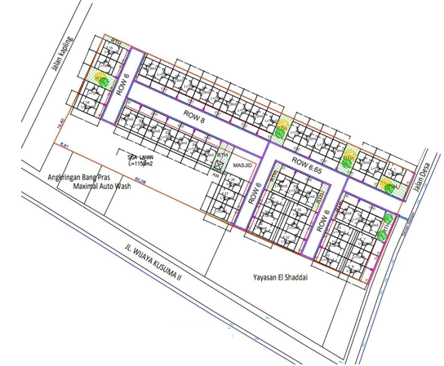
 | 10 | ABSW
K3-359/24A-4
1 C9-200 daN
1 CJ6-T
1 MJ6-T
1 CE1-2
1 F1-2
1 CM2-12A
1 CM2-12
 | 11 | Vang Net
 | 12 | Schoor
 | 13
s
s
K3-359/24A-3
1 C9-200 daN
1 CJ5-T
1 CM2-12
 | Bongkar Pasang Konstruksi :
 | Pasang |  |  |  | Bongkar
 | C14-350 daN |  | Btg | 1
 | C9-200 daN |  | Btg | 4
45 m
 | CC1-A |  | U | 1
 | CG136 |  | U | 1
 | CM2-11M |  | U | 2
43 m
K3-359/24A-2
1 C9-200 daN
1 CJ7-T
1 CE1-2
1 F1-2
1 CM2-12A
1 CM2-12
 | CJ5-T |  | U | 2
 | CJ6-T |  | U | 2
 | CJ7-T |  | U | 1
 | MJ6-T |  | U | 1 |  |  |  |  | TR3+GW
SYG10-237/13-5
1 C9-200 daN
1 CJ6-T
1 MJ6-T
1 CE1-2
1 F1-2
1 CM2-12A
1 CM2-12
 | CM2-12 |  | U | 5 |  |  |  |  |  | TR1
SYG10-237/13-1
1 C9-200 daN
1 CJ5-T
1 CM2-12
 | CE1-2 |  | U | 2
34 m
 | F1-2 |  | U | 2
 | CM2-12A |  | U | 2
 | LVTC 2x70+70 mm2 |  | Mtr | 156
K3-359/24A-1
1 C9-200 daN
1 CJ5-T
1 CM2-12

34 m

 |  |  |  |  |  |  |  |  | Trafo cantol
SYG10-237/13
1 C12-350 daN
1 CA5
1 CE1-3
1 F1-3
1 CM2-12A
1 CM2-12
1 CG106
2 CM2-11M
1 CJ6-T
K3-359/24A
1 C14-350 daN
1 CC1-A
1 CM2-12
1 CG136
2 CM2-11M
1 CJ6-T
K3-359/24
1 C14-350E daN
1 CC1-A
1 012C-2
 | Keterangan Tambahan :

 | Golongan
 | No. Gambar |  | 1 |  |  | Lembar |  | dr
 | Gambar dari |  |  |  |  | Skala
 | Perihal:
 | PERUMAHAN GRAND WIJAYA KUSUMA 3 (PT FATEH PROPERTY LAND)

 | Digambar |  | Staff
 | Diperiksa |  | TL Rensis
 | Diketahui |  | TL Rensis
 | Disetujui |  | Asman Perencanaan

1 CG 313-A
1 C12-350E
1 CC7
3 CM2-11M
1 CM2-12
1 CM2-12A
1 F1-2
1 CE1-2

RUMAH SAKIT TRIMEDIKA
35 m
JL.PURWODADI-SUKOLILO-PATI

K2-541 B
1 C12-350E
1 CC1-A
1 CM2-12
1 CJ6-T
K2-541 A
1 C12-350E
1 CC8-AN
1 CM2-12
1 F1-2
1 CE1-2
K2-541
1 C12-350E
1 CC1
1 CC7
2 CM5-5
3 Ph 160 kVA

Peta lokasi
PETA LOKASI PERUMAHAN GRAND WIJAYA KUSUMA 3 (PT FATEH PROPERTY LAND)

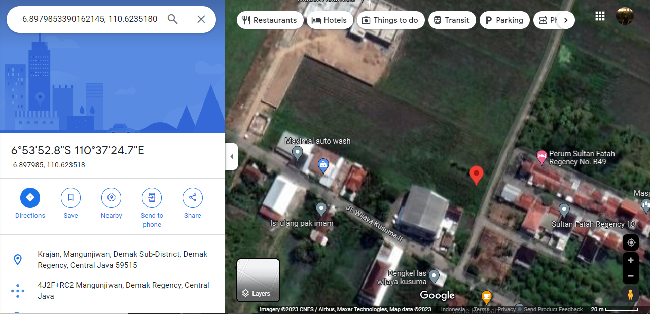

LOKASI PEMOHON

SLD

SINGLE LINE DIAGRAM LOKASI

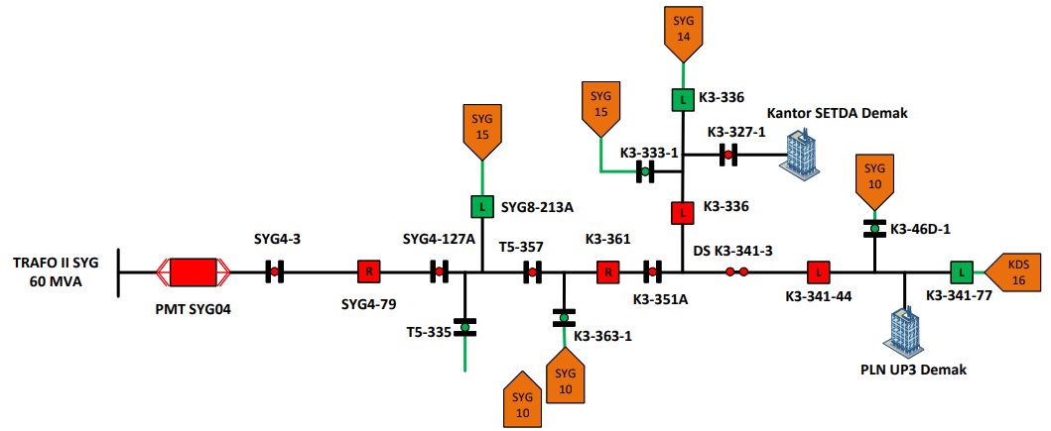

LOKASIPEMOHON

